Enabling ERP-Initiated Invoices
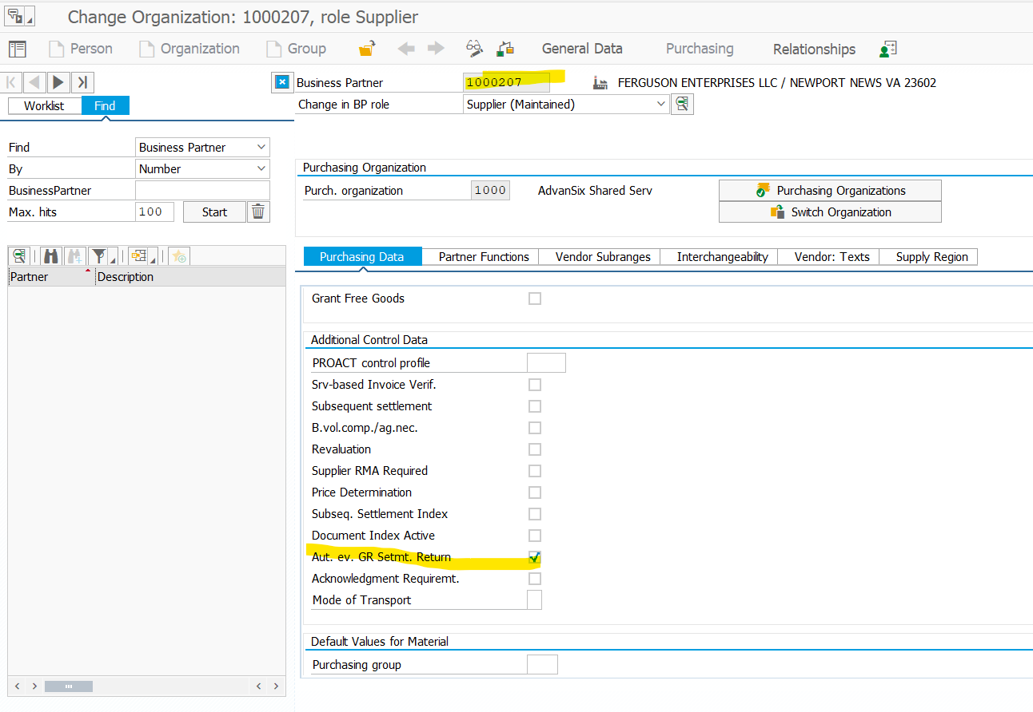
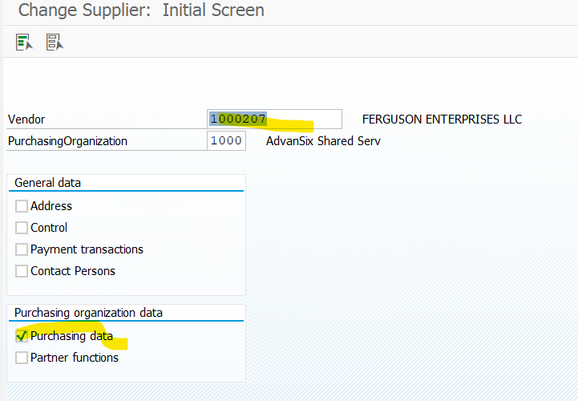
Enabling SAP ERP-Initiated Invoices on the Buyer's SAP ERP

Context
To use the SAP ERP-initiated invoices, you must first enable the evaluated receipt settlement (ERS) invoices on your SAP ERP system.

Procedure
1. On the SAP Easy Access screen, run the transaction code xk02 or mk02.
The Change Vendor: Initial Screen appears.
2. Under Purchasing organization data, check Purchasing data and click Enter.
The Change Vendor: Purchasing data page appears.
3. Under Control Data, check AutoEvalGRSetmt.Del. and click Enter.
The data is saved in SAP ERP.

Create the vendor if doesn’t exists - Need to enable what is in 2nd screenshot for needed vendor

MM-Message Output Control
Defining Message Output Control for ERS Invoice and Invoicing Plan

Context
In this customizing activity, you can define how documents that were created or changed in SAP ERP or SAP S/4HANA are transferred to SAP Business Network.

Procedure
1. Run the transaction code SPRO.
The Customizing: Execute Project screen appears.
2. Click SAP Reference IMG.
The Display IMG screen appears.
3. Navigate to Integration with Other SAP Components Managed Gateway for Spend&Network for Buyer SAP Business Network Integration Application Specific Settings ERP-Initiated Invoice MM-Based ERP-Initiated Invoice.
4. Click IMG-Activity for Define Message Output Control for ERS Invoice and Invoicing Plan.
The Conditions for Output Control screen appears.
5. Select application MR and click Output types.
The Display View "Output Types": Overview screen appears.
6. Click Change and then double-click ERS.
The Change View "Output Types": Overview screen appears.
7. On the General Data tab, for Access sequence choose 0002 CCode+Vend, CCode.
8. On the Default values tab, create an entry as follows:
Dispatch time: Send immediately (when saving the application)
Transmission Medium: EDI
Partner Function: LS
9. Click ERS and then double-click Processing routines
The Display View "Processing routines": Overview screen appears.
10. In the Processing routines section, create an entry as follows:
Transmission Medium: EDI
Program: RSNASTED
FORM routine: EDI_PROCESSING
Save the entry.
11. Click ERS and then double-click Partner Functions.
The Display View "Partner functions": Overview screen appears.
12. In the Partner Functions section, create an entry as follows:
Medium: EDI
Function: LS
Name: Logical system
13. Save the entry.
14. Select application MR and then click Condition records.
The Output Types popup appears.
15. Click ERS and then click Condition records.
The Key Combination popup appears.
16. Maintain the required key combination for CoCode, Vendor.
Company Code:
Vendor:
17. Click Execute.
18. Repeat steps 4 through 17 for INS and KON6 (for customers who want to user consignment settlement). | Waiting for confirmation
Note
In step 7, for Access sequence for INS and KON6, choose 0004 Comp. Code+Invoicing Party, CC.
19. Maintain information such as vendor id, vendor name, function, partner, medium, date, and language.
20. Click INS and click Condition records.
The Key Combination popup appears.
21. Maintain the required key combination for CoCode, Invoicing.
Company Code:
Invoicing Party:
22. Click Execute.
23. Maintain information such as invoicing party, function, partner, medium, date, and language.
24. Click KON6 and click Condition records.
The Key Combination popup appears.
25. Maintain the required key combination for CoCode, Invoicing.
Company Code:
Invoicing Party:
26. Click Execute.
27. Maintain information such as invoicing party, function, partner, medium, date, and language.

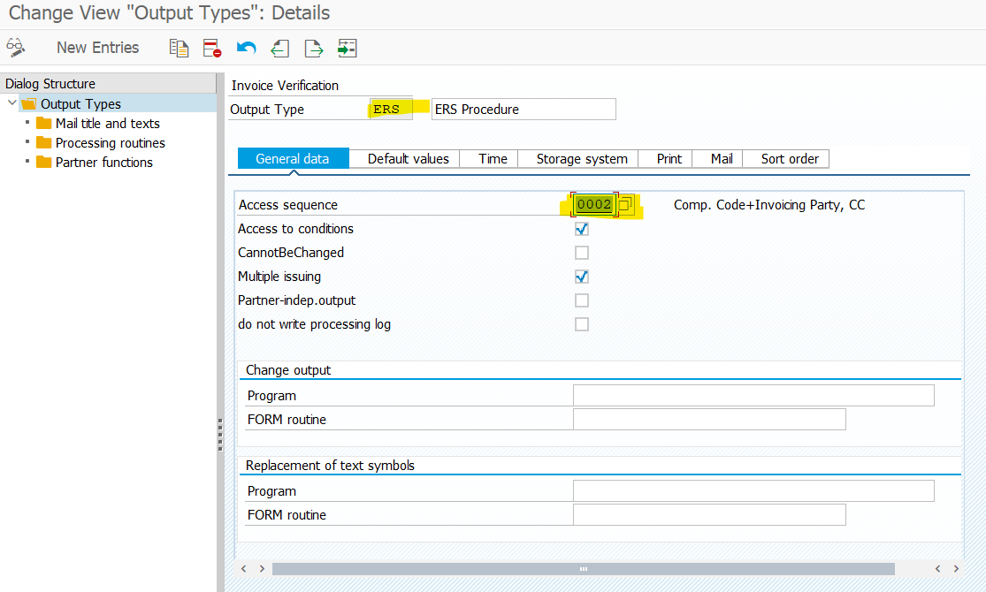

Add the supplier details

MM-Customer Exit
Implementing the Customer Exit for MM Invoices

Context
Implement customer exits to make specific integration requirements to the transmission of MM invoices.

Procedure
1. Run the transaction code SPRO.
The Customizing: Execute Project screen appears.
2. Click SAP Reference IMG.
The Display IMG screen appears.
3. Navigate to Integration with Other SAP Components Managed Gateway for Spend&Network for Buyer SAP Business Network Integration Application Specific Settings ERP-Initiated Invoice MM-Based ERP-Initiated Invoice.
4. Click IMG-Activity for Implement the Customer Exit for MM Invoices.
The Project Management of SAP Enhancements screen appears.
5. Enter a name in the Project field. For example, ZSUSMM1 and click Create.
6. Enter a description in the Short Text field.
7. Click Enhancement assignments.
The Create Object Directory Entry screen appears.
8. Enter the following values:
Object: R3IR CMOD ZSUSMM1
Package: Enter a name.
9. Save the changes.
10. Enter MRMN0001 in the Enhancement text box and then click Enter.
11. Click Components.
12. Double-click EXIT_SAPLMRMN_001.
13. Double-click INCLUDE ZXMRNU01 in the Function Builder: Display EXIT_SAPLMRMN_001 page.
14. Enter the following include:
INCLUDE ARBCIG_INCL_INVOICE_GET_DETAIL IF FOUND
15. Save the entries.
16. Click the Activate button to go back to the CMOD screen.
17. Activate the customer exit in the CMOD screen.
18. Save the entries.

Created
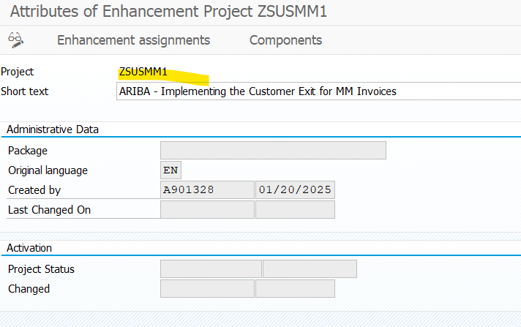

 | After Save

Final

